GLSM metadata
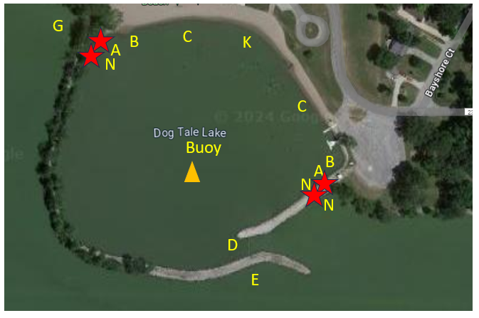
NBOT
On | 2023-06-12
Off | 2023-07-10
On | 2023-08-07
Off | 2023-09-04

